Cover Page
Dashboard Dataset


Get 10% OFF our course using coupon code EMAIL10

Get our Excel for Business and Finance course.

Made by Career Principles Ltd.

Note
All content is copyright material of Career Principles Ltd.
This Excel model may not be reproduced or distributed by any means, including printing, screencapturing, or any other method without the prior permission of the publisher.

Sheet1
Sum of Total Sales | Sum of Operating Profit | Average of Operating Margin | Sum of Units Sold |  | Row Labels | Sum of Total Sales
$12,016,665 | $4,722,497 | 42% | 24,788,610 |  | Midwest | $1,667,443
 |  |  |  |  | South | $2,060,336
$12.02M | $4.72M | 42% | $24.79M |  | Southeast | $2,137,444
 |  |  |  |  | Northeast | $2,507,827
Weighted Margin | 39% |  |  |  | West | $3,643,616
 |  |  |  |  | Grand Total | $12,016,665

 |  |  |  |  | Row Labels | Sum of Units Sold | Sum of Total Sales
 |  |  |  |  | West | 6,869,850 | $3,643,616
 |  |  |  |  | Northeast | 5,012,790 | $2,507,827
 |  |  |  |  | South | 4,922,600 | $2,060,336
 |  |  |  |  | Southeast | 4,070,000 | $2,137,444
 |  |  |  |  | Midwest | 3,913,370 | $1,667,443
 |  |  |  |  | Grand Total | 24,788,610 | $12,016,665

Row Labels | Sum of Units Sold | Sum of Total Sales | Sum of Operating Profit | Average of Operating Margin
Coca-Cola | $5,933,200 | $2,768,077 | $1,162,905 | 45%
Diet Coke | $4,355,260 | $2,057,718 | $743,746 | 40%
Dasani Water | $4,338,270 | $2,387,098 | $968,522 | 44%
Sprite | $3,922,690 | $1,720,156 | $649,402 | 41%
Fanta | $3,172,360 | $1,431,552 | $559,782 | 42%
Powerade | $3,066,830 | $1,652,063 | $638,141 | 41%
Grand Total | $24,788,610 | $12,016,665 | $4,722,497 | 42%

Bottom Brands by Revenue
Row Labels | Sum of Total Sales
Coca-Cola | $2,768,077
Dasani Water | $2,387,098
Diet Coke | $2,057,718
Sprite | $1,720,156
Powerade | $1,652,063
Fanta | $1,431,552
Grand Total | $12,016,665

Row Labels | Sum of Total Sales | Sum of Operating Profit
Walmart | $920,123 | $346,885
Amazon | $1,285,909 | $493,527
Target | $1,351,245 | $518,226
FizzyCo | $2,424,037 | $1,050,003
BevCo | $2,794,395 | $1,094,166
West Soda | $3,240,956 | $1,219,689
Grand Total | $12,016,665 | $4,722,497

Sheet2
Retailer by operating profit
Row Labels | Sum of Operating Profit
2022 | $901,551 |  | Row Labels | Sum of Operating Profit
Qtr4 | $137,246 |  | West Soda | $1,219,689
Qtr2 | $238,312 |  | BevCo | $1,094,166
Qtr1 | $255,989 |  | FizzyCo | $1,050,003
Qtr3 | $270,003 |  | Target | $518,226
2023 | $3,820,946 |  | Amazon | $493,527
Qtr1 | $711,581 |  | Walmart | $346,885
Qtr2 | $953,054 |  | Grand Total | $4,722,497
Qtr4 | $1,016,787
Qtr3 | $1,139,524
Grand Total | $4,722,497

Brand by Operating Margin

Row Labels | Average of Operating Margin
Diet Coke | 40%
Sprite | 41%
Powerade | 41%
Fanta | 42%
Dasani Water | 44%
Coca-Cola | 45%
Grand Total | 42%

Row Labels | Sum of Total Sales | Sum of Operating Profit
Coca-Cola | $2,768,077 | $1,162,905
Dasani Water | $2,387,098 | $968,522
Diet Coke | $2,057,718 | $743,746
Sprite | $1,720,156 | $649,402
Powerade | $1,652,063 | $638,141
Fanta | $1,431,552 | $559,782
Grand Total | $12,016,665 | $4,722,497

Row Labels | Sum of Total Sales | Average of Operating Margin
Coca-Cola | $2,768,077 | 45%
Dasani Water | $2,387,098 | 44%
Diet Coke | $2,057,718 | 40%
Sprite | $1,720,156 | 41%
Powerade | $1,652,063 | 41%
Fanta | $1,431,552 | 42%
Grand Total | $12,016,665 | 42%

Row Labels | Sum of Total Sales
2022 | $2,423,732
Qtr4 | $367,582
Qtr2 | $644,204
Qtr1 | $692,776
Qtr3 | $719,170
2023 | $9,592,933
Qtr1 | $1,877,584
Qtr2 | $2,379,425
Qtr4 | $2,530,171
Qtr3 | $2,805,753
Grand Total | $12,016,665

Sheet3
Price bands by revenue
Row Labels | Sum of Units Sold | Sum of Total Sales
Coca-Cola | 5,933,200 | $2,768,077 |  |  | Row Labels | Sum of Total Sales | Row Labels | Average of Operating Margin
Diet Coke | 4,355,260 | $2,057,718 |  |  | Medium | $7,403,017 | High | 38%
Dasani Water | 4,338,270 | $2,387,098 |  |  | Low | $4,523,527 | Medium | 41%
Sprite | 3,922,690 | $1,720,156 |  |  | High | $90,121 | Low | 43%
Fanta | 3,172,360 | $1,431,552 |  |  | Grand Total | $12,016,665 | Grand Total | 42%
Powerade | 3,066,830 | $1,652,063
Grand Total | 24,788,610 | $12,016,665

Row Labels | Sum of Units Sold | Sum of Total Sales | Average of Operating Margin
Low | 12,407,960 | 4,523,527 | 43%
Medium | 12,294,760 | 7,403,017 | 41%
High | 85,890 | 90,121 | 38%
Grand Total | 24,788,610 | 12,016,665 | 0

 |  |  |  | Row Labels | Sum of Total Sales
 |  |  |  | High | $90,121
 |  |  |  | Low | $4,523,527
 |  |  |  | Medium | $7,403,017
 |  |  |  | Grand Total | $12,016,665
Price bands by revenue vs operating profit vs operating margin

Row Labels | Sum of Total Sales | Average of Operating Margin | Sum of Operating Profit
Medium | $7,403,017 | 41% | 2825850.737
Low | $4,523,527 | 43% | 1864898.346
High | $90,121 | 38% | 31747.687
Grand Total | $12,016,665 | 42% | 4722496.77

Sheet4
Row Labels | Sum of Total Sales | Sum of Operating Profit
West | $3,643,616 | $1,301,758
Northeast | $2,507,827 | $973,277
Southeast | $2,137,444 | $839,306
South | $2,060,336 | $922,161
Midwest | $1,667,443 | $685,995
Grand Total | $12,016,665 | $4,722,497

Row Labels | Sum of Total Sales | Sum of Operating Profit
New York | $867,046 | $333,556
California | $858,051 | $296,015
Florida | $782,059 | $292,159
Grand Total | $2,507,156 | $921,731

Top 5 Cities by revenue vs operating profit

Row Labels | Sum of Total Sales | Sum of Operating Profit
Orlando | $394,648 | $134,221
Portland | $417,678 | $157,586
Charleston | $490,427 | $202,409
San Francisco | $492,922 | $158,199
New York | $567,616 | $211,466
Grand Total | $2,363,290 | $863,881

Dashboard
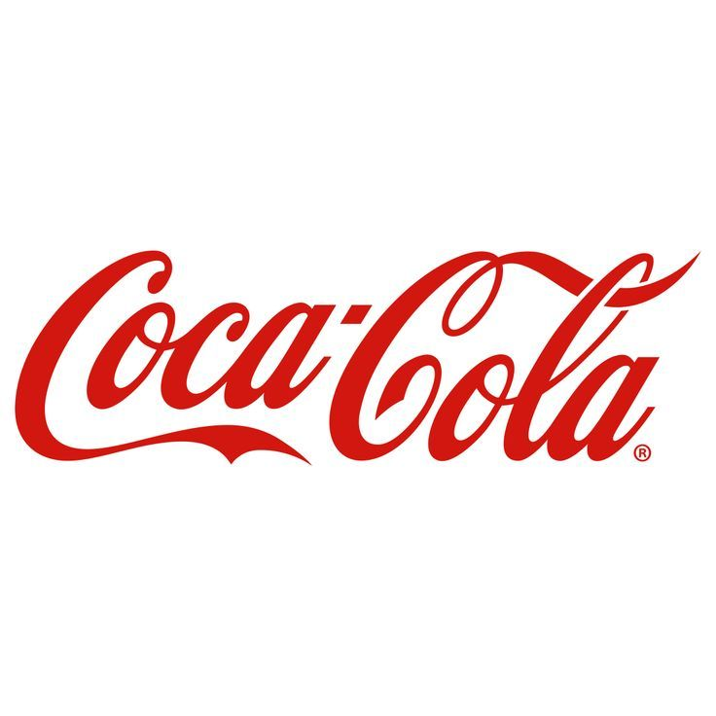
Retail Sales Performance & Pricing Impact Analysis
$4.72M
39%
$24.79M
$12.02M

Avg Operating Margin
Total Quantity Sold
Cyril Igereh
Total Revenue
Total Operating Profit
Region by Revenue
 | Total
Midwest | $1,667,443
South | $2,060,336
Southeast | $2,137,444
Northeast | $2,507,827
West | $3,643,616

Operating Profit Growth Over Time
Revenue Trend Over Time (2022–2023)
Price Band Performance: Quantity Sold, Revenue, and Margin

 | Total
Qtr4 | $137,246
Qtr2 | $238,312
Qtr1 | $255,989
Qtr3 | $270,003
Qtr1 | $711,581
Qtr2 | $953,054
Qtr4 | $1,016,787
Qtr3 | $1,139,524
 | Total
Qtr4 | $367,582
Qtr2 | $644,204
Qtr1 | $692,776
Qtr3 | $719,170
Qtr1 | $1,877,584
Qtr2 | $2,379,425
Qtr4 | $2,530,171
Qtr3 | $2,805,753
 | Sum of Units Sold | Sum of Total Sales | Average of Operating Margin
Low | 12,407,960 | 4,523,527 | 43%
Medium | 12,294,760 | 7,403,017 | 41%
High | 85,890 | 90,121 | 38%


Brand by Revenue vs operating profit
 | Sum of Total Sales | Sum of Operating Profit
Coca-Cola | $2,768,077 | $1,162,905
Dasani Water | $2,387,098 | $968,522
Diet Coke | $2,057,718 | $743,746
Sprite | $1,720,156 | $649,402
Powerade | $1,652,063 | $638,141
Fanta | $1,431,552 | $559,782

Region by Unit Sold vs Revenue
 | Sum of Units Sold | Sum of Total Sales
West | 6,869,850 | $3,643,616
Northeast | 5,012,790 | $2,507,827
South | 4,922,600 | $2,060,336
Southeast | 4,070,000 | $2,137,444
Midwest | 3,913,370 | $1,667,443

Region by Revenue and Operating Profit
Top 3 States by Revenue and Profit Contribution
Profit and Revenue by Retailer
Brand Performance: Quantity Sold, Revenue, Operating Profit and Margin

 | Sum of Total Sales | Sum of Operating Profit
West | $3,643,616 | $1,301,758
Northeast | $2,507,827 | $973,277
Southeast | $2,137,444 | $839,306
South | $2,060,336 | $922,161
Midwest | $1,667,443 | $685,995
 | Sum of Total Sales | Sum of Operating Profit
New York | $867,046 | $333,556
California | $858,051 | $296,015
Florida | $782,059 | $292,159
 | Sum of Total Sales | Sum of Operating Profit
Walmart | $920,123 | $346,885
Amazon | $1,285,909 | $493,527
Target | $1,351,245 | $518,226
FizzyCo | $2,424,037 | $1,050,003
BevCo | $2,794,395 | $1,094,166
West Soda | $3,240,956 | $1,219,689
 | Sum of Units Sold | Sum of Total Sales | Sum of Operating Profit | Average of Operating Margin
Coca-Cola | $5,933,200 | $2,768,077 | $1,162,905 | 45%
Diet Coke | $4,355,260 | $2,057,718 | $743,746 | 40%
Dasani Water | $4,338,270 | $2,387,098 | $968,522 | 44%
Sprite | $3,922,690 | $1,720,156 | $649,402 | 41%
Fanta | $3,172,360 | $1,431,552 | $559,782 | 42%
Powerade | $3,066,830 | $1,652,063 | $638,141 | 41%

